TR50426
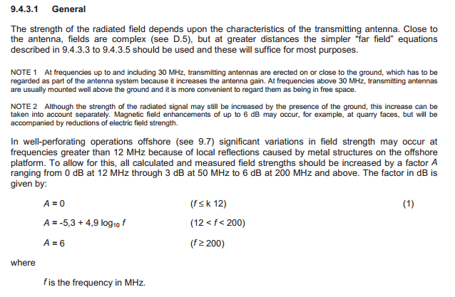
 | MHz
Frequency | 5800

Reflections of metal structures | 0 |  | F<k12
 | 13.140797168 |  | F=12<F<200
 | 0.18124638832 |  | F>200

Field strength | 247.09 | V/m |  | Field strength | 49.42 | V/m | Field strength | 24.71 | V/m
Modulation Factor | 1 |  |  | Modulation Factor | 1 |  | Modulation Factor | 1
EIRP | 20.4 | Watt |  | EIRP | 20.4 | Watt | EIRP | 20.4 | Watt
Distance | 10 | cm |  | Distance | 50 | cm | Distance | 100 | cm

Distance | 823.64 | cm |  | Distance | 247.09 | cm | Distance | 82.36 | cm
Modulation Factor | 1 |  |  | Modulation Factor | 1 |  | Modulation Factor | 1
EIRP | 20.4 | Watt |  | EIRP | 20.4 | Watt | EIRP | 20.4 | Watt
Field strength | 3 | V/m |  | Field strength | 10 | V/m | Field strength | 30 | V/m

 | MHz
Frequency | 200

Reflections of metal structures | 0 |  | F<k12
 | 5.9750469788 |  | F=12<F<200
 | 6 |  | F>200

Field strength | 0.04 | V/m
Modulation Factor | 1
EIRP | 0.05 | Watt
Distance | 3000 | cm

Distance | 43.25 | cm
Modulation Factor | 1
EIRP | 0.025 | Watt
Field strength | 2 | V/m

 | MHz
Frequency | 200

Reflections of metal structures | 0 |  | F<k12
 | 5.9750469788 |  | F=12<F<200
 | 6 |  | F>200

Field strength | 0.04 | V/m
Modulation Factor | 1
EIRP | 0.05 | Watt
Distance | 3000 | cm

Distance | 43.25 | cm
Modulation Factor | 1
EIRP | 0.025 | Watt
Field strength | 2 | V/m

 | MHz
Frequency | 200

Reflections of metal structures | 0 |  | F<k12
 | 5.9750469788 |  | F=12<F<200
 | 6 |  | F>200

Field strength | 0.04 | V/m
Modulation Factor | 1
EIRP | 0.05 | Watt
Distance | 3000 | cm

Distance | 43.25 | cm
Modulation Factor | 1
EIRP | 0.025 | Watt
Field strength | 2 | V/m

 | MHz
Frequency | 200

Reflections of metal structures | 0 |  | F<k12
 | 5.9750469788 |  | F=12<F<200
 | 6 |  | F>200

Field strength | 0.04 | V/m
Modulation Factor | 1
EIRP | 0.05 | Watt
Distance | 3000 | cm

Distance | 43.25 | cm
Modulation Factor | 1
EIRP | 0.025 | Watt
Field strength | 2 | V/m

 | MHz
Frequency | 200

Reflections of metal structures | 0 |  | F<k12
 | 5.9750469788 |  | F=12<F<200
 | 6 |  | F>200

Field strength | 0.04 | V/m
Modulation Factor | 1
EIRP | 0.05 | Watt
Distance | 3000 | cm

Distance | 43.25 | cm
Modulation Factor | 1
EIRP | 0.025 | Watt
Field strength | 2 | V/m

 | MHz
Frequency | 200

Reflections of metal structures | 0 |  | F<k12
 | 5.9750469788 |  | F=12<F<200
 | 6 |  | F>200

Field strength | 0.04 | V/m
Modulation Factor | 1
EIRP | 0.05 | Watt
Distance | 3000 | cm

Distance | 43.25 | cm
Modulation Factor | 1
EIRP | 0.025 | Watt
Field strength | 2 | V/m

 | MHz
Frequency | 200

Reflections of metal structures | 0 |  | F<k12
 | 5.9750469788 |  | F=12<F<200
 | 6 |  | F>200

Field strength | 0.04 | V/m
Modulation Factor | 1
EIRP | 0.05 | Watt
Distance | 3000 | cm

Distance | 43.25 | cm
Modulation Factor | 1
EIRP | 0.025 | Watt
Field strength | 2 | V/m

Friss
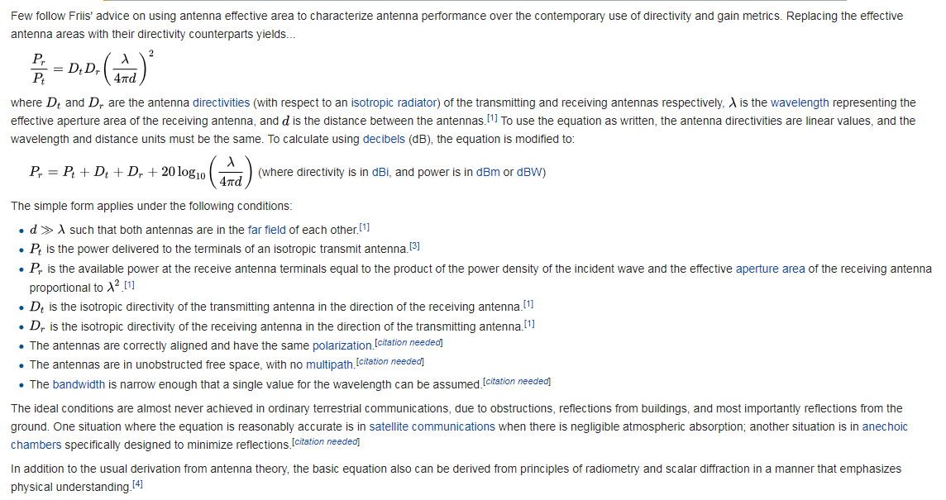
ID | Model | Frequency (MHz) | Power (Watt) | Antenna gain (dBi) | Modulation | Antenna dimension |  | Distance (m) to required fieldstrength (V/m) |  |  |  | NF Calc 2V/m | NF/FF | NASA
 |  |  |  |  |  |  | NF/FF | 30.00 | 10.00 | 2.00 | 1.20 |  | Distance
1 | Mobile Radio | 146 | 1 | 0 |  |  |  | 0.18 | 0.55 | 2.74 | 4.56 |  | 6.16 | 0.93
 |  | 174 | 5 | 0 |  |  |  | 0.41 | 1.22 | 6.12 | 10.21 |  | 5.17 | 1.75
2 | GSM 850/900 | 880 | 2 | 0 |  |  |  | 0.26 | 0.77 | 3.87 | 6.46 |  | 1.02 | 0.22
 |  | 915 | 2 | 0 |  |  |  | 0.26 | 0.77 | 3.87 | 6.46 |  | 0.98 | 0.21
3 | GSM 1800/1900 | 1710 | 1 | 0 |  |  |  | 0.18 | 0.55 | 2.74 | 4.56 |  | 0.53 | 0.08
 |  | 1785 | 1 | 0 |  |  |  | 0.18 | 0.55 | 2.74 | 4.56 |  | 0.50 | 0.08
4 | Mobile Phone Wi-Fi | 2400 | 0.1 | 0 |  |  |  | 0.06 | 0.17 | 0.87 | 1.44 |  | 0.38 | 0.02
 |  | 2484 | 0.1 | 0 |  |  |  | 0.06 | 0.17 | 0.87 | 1.44 |  | 0.36 | 0.02
5 | Mobile Phone Wi-Fi | 5150 | 0.1 | 0 |  |  |  | 0.06 | 0.17 | 0.87 | 1.44 |  | 0.17 | 0.01
 |  | 5850 | 0.1 | 0 |  |  |  | 0.06 | 0.17 | 0.87 | 1.44 |  | 0.15 | 0.01
6 | Mobile phone Bluetooth (Class 2) | 2401 | 0.025 | 0 |  |  |  | 0.03 | 0.09 | 0.43 | 0.72 |  | 0.37 | 0.01
 |  | 2408 | 0.025 | 0 |  |  |  | 0.03 | 0.09 | 0.43 | 0.72 |  | 0.37 | 0.01
7 | Laptop Wi-Fi | 2400 | 0.1 | 0 |  |  |  | 0.06 | 0.17 | 0.87 | 1.44 |  | 0.38 | 0.02
 |  | 2484 | 0.1 | 0 |  |  |  | 0.06 | 0.17 | 0.87 | 1.44 |  | 0.36 | 0.02
8 | Laptop Wi-Fi | 5150 | 0.1 | 0 |  |  |  | 0.06 | 0.17 | 0.87 | 1.44 |  | 0.17 | 0.01
 |  | 5850 | 0.1 | 0 |  |  |  | 0.06 | 0.17 | 0.87 | 1.44 |  | 0.15 | 0.01
9 | Bluetooth Class 1 | 2401 | 0.1 | 0 |  |  |  | 0.06 | 0.17 | 0.87 | 1.44 |  | 0.37 | 0.02
 |  | 2408 | 0.1 | 0 |  |  |  | 0.06 | 0.17 | 0.87 | 1.44 |  | 0.37 | 0.02
10 | UMTS Class 3 | 699 | 0.25 | 0 |  |  |  | 0.09 | 0.27 | 1.37 | 2.28 | 0.15 | 1.29 | 0.10
 |  | 3499 | 0.25 | 0 |  |  |  | 0.09 | 0.27 | 1.37 | 2.28 |  | 0.26 | 0.02

AFMAN91-201
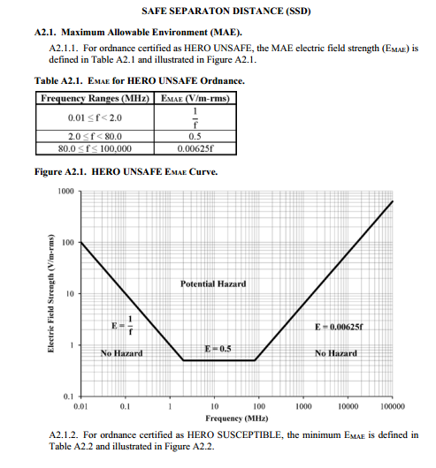
 |  | Frequency | 146 | MHz | Frequency | 900 |  | Frequency | 146 | Frequency | 146 | Frequency | 146
 |  | Wavelength | 2.0547945205 | m | Wavelength | 0.33333333333 |  | Wavelength | 2.0547945205 | Wavelength | 2.0547945205 | Wavelength | 2.0547945205
 | NF/FF | 3xWavelength | 6.1643835616 | m | 3xWavelength | 1 |  | 3xWavelength | 6.1643835616 | 3xWavelength | 6.1643835616 | 3xWavelength | 6.1643835616

 |  | Largest antenna dimension | 0.1 | m | Largest antenna dimension | 0.058
 | nF/FF |  | 0.0048666666667 | m |  | 0.010092

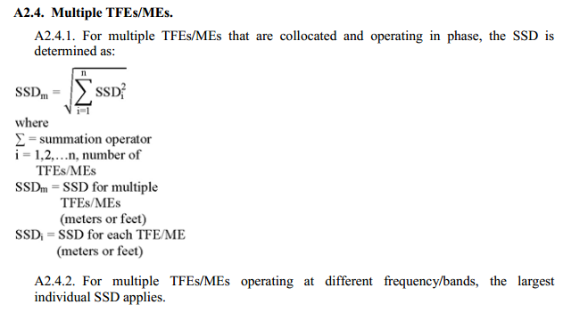
#REF! | Maximum allowable Environment for HERO UNSAFE Ordinance |  |  |  |  |  | Safe Seperation Distance for HERO UNSAFE Ordinance
 | Frequency (MHz) | EMAE (V/m-rms) |  |  |  |  | Frequency (MHz) | Transmitter Power | Transmit antenna Gain |  | SSD (m) |  |  | Multiple Fixed or mobile emitters that are colocated and operating in phase
 | #REF! | #REF! |  |  |  |  | 147 | 10 | 1 |  | 18.844593403

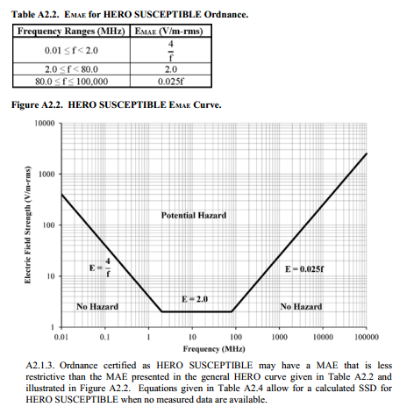
 | Maximum allowable Environment for HERO SUSCEPTIBLE Ordinance |  |  |  |  |  | Safe Seperation Distance for HERO SUSCEPTIBLE Ordinance
 | Frequency (MHz) | EMAE (V/m-rms) |  |  |  |  | Frequency (MHz) | Transmitter Power | Transmit antenna Gain |  | SSD (m)
 | 2400 | 60 |  |  |  |  | 147 | 2 | 1 |  | 2.1068895929

10 | Maximum allowable Environment for HERO UNSAFE Ordinance |  |  |  |  |  | Safe Seperation Distance for HERO UNSAFE Ordinance
 | Frequency (MHz) | EMAE (V/m-rms) |  |  |  |  | Frequency (MHz) | Transmitter Power | Transmit antenna Gain |  | SSD (m)
 | 2100 | 13.125 |  |  |  |  | 147 | 10 | 1 |  | 18.844593403

 | Maximum allowable Environment for HERO SUSCEPTIBLE Ordinance |  |  |  |  |  | Safe Seperation Distance for HERO SUSCEPTIBLE Ordinance
 | Frequency (MHz) | EMAE (V/m-rms) |  |  |  |  | Frequency (MHz) | Transmitter Power | Transmit antenna Gain |  | SSD (m)
 | 2400 | 60 |  |  |  |  | 147 | 2 | 1 |  | 2.1068895929

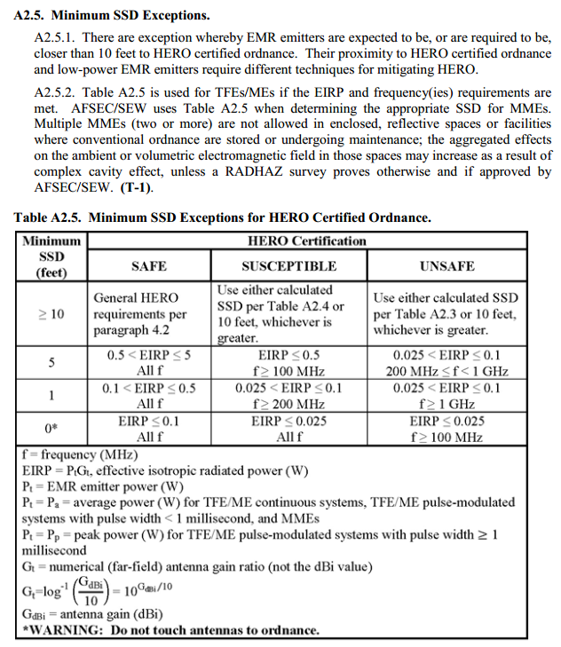
16 | Maximum allowable Environment for HERO UNSAFE Ordinance |  |  |  |  |  | Safe Seperation Distance for HERO UNSAFE Ordinance
 | Frequency (MHz) | EMAE (V/m-rms) |  |  |  |  | Frequency (MHz) | Transmitter Power | Transmit antenna Gain |  | SSD (m)
 | 155 | 0.96875 |  |  |  |  | 147 | 10 | 1 |  | 18.844593403

 | Maximum allowable Environment for HERO SUSCEPTIBLE Ordinance |  |  |  |  |  | Safe Seperation Distance for HERO SUSCEPTIBLE Ordinance
 | Frequency (MHz) | EMAE (V/m-rms) |  |  |  |  | Frequency (MHz) | Transmitter Power | Transmit antenna Gain |  | SSD (m)
 | #REF! | #REF! |  |  |  |  | 147 | 2 | 1 |  | 2.1068895929

#REF! | Maximum allowable Environment for HERO UNSAFE Ordinance |  |  |  |  |  | Safe Seperation Distance for HERO UNSAFE Ordinance
 | Frequency (MHz) | EMAE (V/m-rms) |  |  |  |  | Frequency (MHz) | Transmitter Power | Transmit antenna Gain |  | SSD (m)
 | #REF! | #REF! |  |  |  |  | 147 | 10 | 1 |  | 18.844593403

 | Maximum allowable Environment for HERO SUSCEPTIBLE Ordinance |  |  |  |  |  | Safe Seperation Distance for HERO SUSCEPTIBLE Ordinance
 | Frequency (MHz) | EMAE (V/m-rms) |  |  |  |  | Frequency (MHz) | Transmitter Power | Transmit antenna Gain |  | SSD (m)
 | #REF! | #REF! |  |  |  |  | 147 | 2 | 1 |  | 2.1068895929

#REF! | Maximum allowable Environment for HERO UNSAFE Ordinance |  |  |  |  |  | Safe Seperation Distance for HERO UNSAFE Ordinance
 | Frequency (MHz) | EMAE (V/m-rms) |  |  |  |  | Frequency (MHz) | Transmitter Power | Transmit antenna Gain |  | SSD (m)
 | #REF! | #REF! |  |  |  |  | 147 | 10 | 1 |  | 18.844593403

 | Maximum allowable Environment for HERO SUSCEPTIBLE Ordinance |  |  |  |  |  | Safe Seperation Distance for HERO SUSCEPTIBLE Ordinance
 | Frequency (MHz) | EMAE (V/m-rms) |  |  |  |  | Frequency (MHz) | Transmitter Power | Transmit antenna Gain |  | SSD (m)
 | #REF! | #REF! |  |  |  |  | 147 | 2 | 1 |  | 2.1068895929

0 | Maximum allowable Environment for HERO UNSAFE Ordinance |  |  |  |  |  | Safe Seperation Distance for HERO UNSAFE Ordinance
 | Frequency (MHz) | EMAE (V/m-rms) |  |  |  |  | Frequency (MHz) | Transmitter Power | Transmit antenna Gain |  | SSD (m)
 | 0 | #DIV/0! |  |  |  |  | 147 | 10 | 1 |  | 18.844593403

 | Maximum allowable Environment for HERO SUSCEPTIBLE Ordinance |  |  |  |  |  | Safe Seperation Distance for HERO SUSCEPTIBLE Ordinance
 | Frequency (MHz) | EMAE (V/m-rms) |  |  |  |  | Frequency (MHz) | Transmitter Power | Transmit antenna Gain |  | SSD (m)
 | 0 | #DIV/0! |  |  |  |  | 147 | 2 | 1 |  | 2.1068895929

0 | Maximum allowable Environment for HERO UNSAFE Ordinance |  |  |  |  |  | Safe Seperation Distance for HERO UNSAFE Ordinance
 | Frequency (MHz) | EMAE (V/m-rms) |  |  |  |  | Frequency (MHz) | Transmitter Power | Transmit antenna Gain |  | SSD (m)
 | 0 | #DIV/0! |  |  |  |  | 147 | 10 | 1 |  | 18.844593403

 | Maximum allowable Environment for HERO SUSCEPTIBLE Ordinance |  |  |  |  |  | Safe Seperation Distance for HERO SUSCEPTIBLE Ordinance
 | Frequency (MHz) | EMAE (V/m-rms) |  |  |  |  | Frequency (MHz) | Transmitter Power | Transmit antenna Gain |  | SSD (m)
 | 147 | 3.675 |  |  |  |  | 147 | 2 | 1 |  | 2.1068895929

0 | Maximum allowable Environment for HERO UNSAFE Ordinance |  |  |  |  |  | Safe Seperation Distance for HERO UNSAFE Ordinance
 | Frequency (MHz) | EMAE (V/m-rms) |  |  |  |  | Frequency (MHz) | Transmitter Power | Transmit antenna Gain |  | SSD (m)
 | 147 | 0.91875 |  |  |  |  | 147 | 10 | 1 |  | 18.844593403

 | Maximum allowable Environment for HERO SUSCEPTIBLE Ordinance |  |  |  |  |  | Safe Seperation Distance for HERO SUSCEPTIBLE Ordinance
 | Frequency (MHz) | EMAE (V/m-rms) |  |  |  |  | Frequency (MHz) | Transmitter Power | Transmit antenna Gain |  | SSD (m)
 | 147 | 3.675 |  |  |  |  | 147 | 2 | 1 |  | 2.1068895929

0 | Maximum allowable Environment for HERO UNSAFE Ordinance |  |  |  |  |  | Safe Seperation Distance for HERO UNSAFE Ordinance
 | Frequency (MHz) | EMAE (V/m-rms) |  |  |  |  | Frequency (MHz) | Transmitter Power | Transmit antenna Gain |  | SSD (m)
 | 0 | #DIV/0! |  |  |  |  | 147 | 10 | 1 |  | 18.844593403

 | Maximum allowable Environment for HERO SUSCEPTIBLE Ordinance |  |  |  |  |  | Safe Seperation Distance for HERO SUSCEPTIBLE Ordinance
 | Frequency (MHz) | EMAE (V/m-rms) |  |  |  |  | Frequency (MHz) | Transmitter Power | Transmit antenna Gain |  | SSD (m)
 | 0 | #DIV/0! |  |  |  |  | 147 | 2 | 1 |  | 2.1068895929

0 | Maximum allowable Environment for HERO UNSAFE Ordinance |  |  |  |  |  | Safe Seperation Distance for HERO UNSAFE Ordinance
 | Frequency (MHz) | EMAE (V/m-rms) |  |  |  |  | Frequency (MHz) | Transmitter Power | Transmit antenna Gain |  | SSD (m)
 | 0 | #DIV/0! |  |  |  |  | 147 | 10 | 1 |  | 18.844593403

 | Maximum allowable Environment for HERO SUSCEPTIBLE Ordinance |  |  |  |  |  | Safe Seperation Distance for HERO SUSCEPTIBLE Ordinance
 | Frequency (MHz) | EMAE (V/m-rms) |  |  |  |  | Frequency (MHz) | Transmitter Power | Transmit antenna Gain |  | SSD (m)
 | 0 | #DIV/0! |  |  |  |  | 147 | 2 | 1 |  | 2.1068895929

0 | Maximum allowable Environment for HERO UNSAFE Ordinance |  |  |  |  |  | Safe Seperation Distance for HERO UNSAFE Ordinance
 | Frequency (MHz) | EMAE (V/m-rms) |  |  |  |  | Frequency (MHz) | Transmitter Power | Transmit antenna Gain |  | SSD (m)
 | 0 | #DIV/0! |  |  |  |  | 147 | 10 | 1 |  | 18.844593403

 | Maximum allowable Environment for HERO SUSCEPTIBLE Ordinance |  |  |  |  |  | Safe Seperation Distance for HERO SUSCEPTIBLE Ordinance
 | Frequency (MHz) | EMAE (V/m-rms) |  |  |  |  | Frequency (MHz) | Transmitter Power | Transmit antenna Gain |  | SSD (m)
 | 0 | #DIV/0! |  |  |  |  | 147 | 2 | 1 |  | 2.1068895929

0 | Maximum allowable Environment for HERO UNSAFE Ordinance |  |  |  |  |  | Safe Seperation Distance for HERO UNSAFE Ordinance
 | Frequency (MHz) | EMAE (V/m-rms) |  |  |  |  | Frequency (MHz) | Transmitter Power | Transmit antenna Gain |  | SSD (m)
 | 0 | #DIV/0! |  |  |  |  | 147 | 10 | 1 |  | 18.844593403

 | Maximum allowable Environment for HERO SUSCEPTIBLE Ordinance |  |  |  |  |  | Safe Seperation Distance for HERO SUSCEPTIBLE Ordinance
 | Frequency (MHz) | EMAE (V/m-rms) |  |  |  |  | Frequency (MHz) | Transmitter Power | Transmit antenna Gain |  | SSD (m)
 | 0 | #DIV/0! |  |  |  |  | 147 | 2 | 1 |  | 2.1068895929

0 | Maximum allowable Environment for HERO UNSAFE Ordinance |  |  |  |  |  | Safe Seperation Distance for HERO UNSAFE Ordinance
 | Frequency (MHz) | EMAE (V/m-rms) |  |  |  |  | Frequency (MHz) | Transmitter Power | Transmit antenna Gain |  | SSD (m)
 | 0 | #DIV/0! |  |  |  |  | 147 | 10 | 1 |  | 18.844593403

 | Maximum allowable Environment for HERO SUSCEPTIBLE Ordinance |  |  |  |  |  | Safe Seperation Distance for HERO SUSCEPTIBLE Ordinance
 | Frequency (MHz) | EMAE (V/m-rms) |  |  |  |  | Frequency (MHz) | Transmitter Power | Transmit antenna Gain |  | SSD (m)
 | 0 | #DIV/0! |  |  |  |  | 147 | 2 | 1 |  | 2.1068895929

0 | Maximum allowable Environment for HERO UNSAFE Ordinance |  |  |  |  |  | Safe Seperation Distance for HERO UNSAFE Ordinance
 | Frequency (MHz) | EMAE (V/m-rms) |  |  |  |  | Frequency (MHz) | Transmitter Power | Transmit antenna Gain |  | SSD (m)
 | 0 | #DIV/0! |  |  |  |  | 147 | 10 | 1 |  | 18.844593403

 | Maximum allowable Environment for HERO SUSCEPTIBLE Ordinance |  |  |  |  |  | Safe Seperation Distance for HERO SUSCEPTIBLE Ordinance
 | Frequency (MHz) | EMAE (V/m-rms) |  |  |  |  | Frequency (MHz) | Transmitter Power | Transmit antenna Gain |  | SSD (m)
 | 0 | #DIV/0! |  |  |  |  | 147 | 2 | 1 |  | 2.1068895929

0 | Maximum allowable Environment for HERO UNSAFE Ordinance |  |  |  |  |  | Safe Seperation Distance for HERO UNSAFE Ordinance
 | Frequency (MHz) | EMAE (V/m-rms) |  |  |  |  | Frequency (MHz) | Transmitter Power | Transmit antenna Gain |  | SSD (m)
 | 0 | #DIV/0! |  |  |  |  | 147 | 10 | 1 |  | 18.844593403

 | Maximum allowable Environment for HERO SUSCEPTIBLE Ordinance |  |  |  |  |  | Safe Seperation Distance for HERO SUSCEPTIBLE Ordinance
 | Frequency (MHz) | EMAE (V/m-rms) |  |  |  |  | Frequency (MHz) | Transmitter Power | Transmit antenna Gain |  | SSD (m)
 | 0 | #DIV/0! |  |  |  |  | 147 | 2 | 1 |  | 2.1068895929

0 | Maximum allowable Environment for HERO UNSAFE Ordinance |  |  |  |  |  | Safe Seperation Distance for HERO UNSAFE Ordinance
 | Frequency (MHz) | EMAE (V/m-rms) |  |  |  |  | Frequency (MHz) | Transmitter Power | Transmit antenna Gain |  | SSD (m)
 | 0 | #DIV/0! |  |  |  |  | 147 | 10 | 1 |  | 18.844593403

 | Maximum allowable Environment for HERO SUSCEPTIBLE Ordinance |  |  |  |  |  | Safe Seperation Distance for HERO SUSCEPTIBLE Ordinance
 | Frequency (MHz) | EMAE (V/m-rms) |  |  |  |  | Frequency (MHz) | Transmitter Power | Transmit antenna Gain |  | SSD (m)
 | 0 | #DIV/0! |  |  |  |  | 147 | 2 | 1 |  | 2.1068895929

0 | Maximum allowable Environment for HERO UNSAFE Ordinance |  |  |  |  |  | Safe Seperation Distance for HERO UNSAFE Ordinance
 | Frequency (MHz) | EMAE (V/m-rms) |  |  |  |  | Frequency (MHz) | Transmitter Power | Transmit antenna Gain |  | SSD (m)
 | 0 | #DIV/0! |  |  |  |  | 147 | 10 | 1 |  | 18.844593403

 | Maximum allowable Environment for HERO SUSCEPTIBLE Ordinance |  |  |  |  |  | Safe Seperation Distance for HERO SUSCEPTIBLE Ordinance
 | Frequency (MHz) | EMAE (V/m-rms) |  |  |  |  | Frequency (MHz) | Transmitter Power | Transmit antenna Gain |  | SSD (m)
 | 0 | #DIV/0! |  |  |  |  | 147 | 2 | 1 |  | 2.1068895929

0 | Maximum allowable Environment for HERO UNSAFE Ordinance |  |  |  |  |  | Safe Seperation Distance for HERO UNSAFE Ordinance
 | Frequency (MHz) | EMAE (V/m-rms) |  |  |  |  | Frequency (MHz) | Transmitter Power | Transmit antenna Gain |  | SSD (m)
 | 0 | #DIV/0! |  |  |  |  | 147 | 10 | 1 |  | 18.844593403

 | Maximum allowable Environment for HERO SUSCEPTIBLE Ordinance |  |  |  |  |  | Safe Seperation Distance for HERO SUSCEPTIBLE Ordinance
 | Frequency (MHz) | EMAE (V/m-rms) |  |  |  |  | Frequency (MHz) | Transmitter Power | Transmit antenna Gain |  | SSD (m)
 | 0 | #DIV/0! |  |  |  |  | 147 | 2 | 1 |  | 2.1068895929

0 | Maximum allowable Environment for HERO UNSAFE Ordinance |  |  |  |  |  | Safe Seperation Distance for HERO UNSAFE Ordinance
 | Frequency (MHz) | EMAE (V/m-rms) |  |  |  |  | Frequency (MHz) | Transmitter Power | Transmit antenna Gain |  | SSD (m)
 | 0 | #DIV/0! |  |  |  |  | 147 | 10 | 1 |  | 18.844593403

 | Maximum allowable Environment for HERO SUSCEPTIBLE Ordinance |  |  |  |  |  | Safe Seperation Distance for HERO SUSCEPTIBLE Ordinance
 | Frequency (MHz) | EMAE (V/m-rms) |  |  |  |  | Frequency (MHz) | Transmitter Power | Transmit antenna Gain |  | SSD (m)
 | 0 | #DIV/0! |  |  |  |  | 147 | 2 | 1 |  | 2.1068895929

0 | Maximum allowable Environment for HERO UNSAFE Ordinance |  |  |  |  |  | Safe Seperation Distance for HERO UNSAFE Ordinance
 | Frequency (MHz) | EMAE (V/m-rms) |  |  |  |  | Frequency (MHz) | Transmitter Power | Transmit antenna Gain |  | SSD (m)
 | 0 | #DIV/0! |  |  |  |  | 147 | 10 | 1 |  | 18.844593403

 | Maximum allowable Environment for HERO SUSCEPTIBLE Ordinance |  |  |  |  |  | Safe Seperation Distance for HERO SUSCEPTIBLE Ordinance
 | Frequency (MHz) | EMAE (V/m-rms) |  |  |  |  | Frequency (MHz) | Transmitter Power | Transmit antenna Gain |  | SSD (m)
 | 0 | #DIV/0! |  |  |  |  | 147 | 2 | 1 |  | 2.1068895929

0 | Maximum allowable Environment for HERO UNSAFE Ordinance |  |  |  |  |  | Safe Seperation Distance for HERO UNSAFE Ordinance
 | Frequency (MHz) | EMAE (V/m-rms) |  |  |  |  | Frequency (MHz) | Transmitter Power | Transmit antenna Gain |  | SSD (m)
 | 0 | #DIV/0! |  |  |  |  | 147 | 10 | 1 |  | 18.844593403

 | Maximum allowable Environment for HERO SUSCEPTIBLE Ordinance |  |  |  |  |  | Safe Seperation Distance for HERO SUSCEPTIBLE Ordinance
 | Frequency (MHz) | EMAE (V/m-rms) |  |  |  |  | Frequency (MHz) | Transmitter Power | Transmit antenna Gain |  | SSD (m)
 | 0 | #DIV/0! |  |  |  |  | 147 | 2 | 1 |  | 2.1068895929

0 | Maximum allowable Environment for HERO UNSAFE Ordinance |  |  |  |  |  | Safe Seperation Distance for HERO UNSAFE Ordinance
 | Frequency (MHz) | EMAE (V/m-rms) |  |  |  |  | Frequency (MHz) | Transmitter Power | Transmit antenna Gain |  | SSD (m)
 | 0 | #DIV/0! |  |  |  |  | 147 | 10 | 1 |  | 18.844593403

 | Maximum allowable Environment for HERO SUSCEPTIBLE Ordinance |  |  |  |  |  | Safe Seperation Distance for HERO SUSCEPTIBLE Ordinance
 | Frequency (MHz) | EMAE (V/m-rms) |  |  |  |  | Frequency (MHz) | Transmitter Power | Transmit antenna Gain |  | SSD (m)
 | 0 | #DIV/0! |  |  |  |  | 147 | 2 | 1 |  | 2.1068895929

0 | Maximum allowable Environment for HERO UNSAFE Ordinance |  |  |  |  |  | Safe Seperation Distance for HERO UNSAFE Ordinance
 | Frequency (MHz) | EMAE (V/m-rms) |  |  |  |  | Frequency (MHz) | Transmitter Power | Transmit antenna Gain |  | SSD (m)
 | 0 | #DIV/0! |  |  |  |  | 147 | 10 | 1 |  | 18.844593403

 | Maximum allowable Environment for HERO SUSCEPTIBLE Ordinance |  |  |  |  |  | Safe Seperation Distance for HERO SUSCEPTIBLE Ordinance
 | Frequency (MHz) | EMAE (V/m-rms) |  |  |  |  | Frequency (MHz) | Transmitter Power | Transmit antenna Gain |  | SSD (m)
 | 0 | #DIV/0! |  |  |  |  | 147 | 2 | 1 |  | 2.1068895929

0 | Maximum allowable Environment for HERO UNSAFE Ordinance |  |  |  |  |  | Safe Seperation Distance for HERO UNSAFE Ordinance
 | Frequency (MHz) | EMAE (V/m-rms) |  |  |  |  | Frequency (MHz) | Transmitter Power | Transmit antenna Gain |  | SSD (m)
 | 0 | #DIV/0! |  |  |  |  | 147 | 10 | 1 |  | 18.844593403

 | Maximum allowable Environment for HERO SUSCEPTIBLE Ordinance |  |  |  |  |  | Safe Seperation Distance for HERO SUSCEPTIBLE Ordinance
 | Frequency (MHz) | EMAE (V/m-rms) |  |  |  |  | Frequency (MHz) | Transmitter Power | Transmit antenna Gain |  | SSD (m)
 | 0 | #DIV/0! |  |  |  |  | 147 | 2 | 1 |  | 2.1068895929

0 | Maximum allowable Environment for HERO UNSAFE Ordinance |  |  |  |  |  | Safe Seperation Distance for HERO UNSAFE Ordinance
 | Frequency (MHz) | EMAE (V/m-rms) |  |  |  |  | Frequency (MHz) | Transmitter Power | Transmit antenna Gain |  | SSD (m)
 | 0 | #DIV/0! |  |  |  |  | 147 | 10 | 1 |  | 18.844593403

 | Maximum allowable Environment for HERO SUSCEPTIBLE Ordinance |  |  |  |  |  | Safe Seperation Distance for HERO SUSCEPTIBLE Ordinance
 | Frequency (MHz) | EMAE (V/m-rms) |  |  |  |  | Frequency (MHz) | Transmitter Power | Transmit antenna Gain |  | SSD (m)
 | 0 | #DIV/0! |  |  |  |  | 147 | 2 | 1 |  | 2.1068895929

0 | Maximum allowable Environment for HERO UNSAFE Ordinance |  |  |  |  |  | Safe Seperation Distance for HERO UNSAFE Ordinance
 | Frequency (MHz) | EMAE (V/m-rms) |  |  |  |  | Frequency (MHz) | Transmitter Power | Transmit antenna Gain |  | SSD (m)
 | 0 | #DIV/0! |  |  |  |  | 147 | 10 | 1 |  | 18.844593403

 | Maximum allowable Environment for HERO SUSCEPTIBLE Ordinance |  |  |  |  |  | Safe Seperation Distance for HERO SUSCEPTIBLE Ordinance
 | Frequency (MHz) | EMAE (V/m-rms) |  |  |  |  | Frequency (MHz) | Transmitter Power | Transmit antenna Gain |  | SSD (m)
 | 0 | #DIV/0! |  |  |  |  | 147 | 2 | 1 |  | 2.1068895929

0 | Maximum allowable Environment for HERO UNSAFE Ordinance |  |  |  |  |  | Safe Seperation Distance for HERO UNSAFE Ordinance
 | Frequency (MHz) | EMAE (V/m-rms) |  |  |  |  | Frequency (MHz) | Transmitter Power | Transmit antenna Gain |  | SSD (m)
 | 0 | #DIV/0! |  |  |  |  | 147 | 10 | 1 |  | 18.844593403

 | Maximum allowable Environment for HERO SUSCEPTIBLE Ordinance |  |  |  |  |  | Safe Seperation Distance for HERO SUSCEPTIBLE Ordinance
 | Frequency (MHz) | EMAE (V/m-rms) |  |  |  |  | Frequency (MHz) | Transmitter Power | Transmit antenna Gain |  | SSD (m)
 | 0 | #DIV/0! |  |  |  |  | 147 | 2 | 1 |  | 2.1068895929

0 | Maximum allowable Environment for HERO UNSAFE Ordinance |  |  |  |  |  | Safe Seperation Distance for HERO UNSAFE Ordinance
 | Frequency (MHz) | EMAE (V/m-rms) |  |  |  |  | Frequency (MHz) | Transmitter Power | Transmit antenna Gain |  | SSD (m)
 | 0 | #DIV/0! |  |  |  |  | 147 | 10 | 1 |  | 18.844593403

 | Maximum allowable Environment for HERO SUSCEPTIBLE Ordinance |  |  |  |  |  | Safe Seperation Distance for HERO SUSCEPTIBLE Ordinance
 | Frequency (MHz) | EMAE (V/m-rms) |  |  |  |  | Frequency (MHz) | Transmitter Power | Transmit antenna Gain |  | SSD (m)
 | 0 | #DIV/0! |  |  |  |  | 147 | 2 | 1 |  | 2.1068895929

0 | Maximum allowable Environment for HERO UNSAFE Ordinance |  |  |  |  |  | Safe Seperation Distance for HERO UNSAFE Ordinance
 | Frequency (MHz) | EMAE (V/m-rms) |  |  |  |  | Frequency (MHz) | Transmitter Power | Transmit antenna Gain |  | SSD (m)
 | 0 | #DIV/0! |  |  |  |  | 147 | 10 | 1 |  | 18.844593403

 | Maximum allowable Environment for HERO SUSCEPTIBLE Ordinance |  |  |  |  |  | Safe Seperation Distance for HERO SUSCEPTIBLE Ordinance
 | Frequency (MHz) | EMAE (V/m-rms) |  |  |  |  | Frequency (MHz) | Transmitter Power | Transmit antenna Gain |  | SSD (m)
 | 0 | #DIV/0! |  |  |  |  | 147 | 2 | 1 |  | 2.1068895929

0 | Maximum allowable Environment for HERO UNSAFE Ordinance |  |  |  |  |  | Safe Seperation Distance for HERO UNSAFE Ordinance
 | Frequency (MHz) | EMAE (V/m-rms) |  |  |  |  | Frequency (MHz) | Transmitter Power | Transmit antenna Gain |  | SSD (m)
 | 0 | #DIV/0! |  |  |  |  | 147 | 10 | 1 |  | 18.844593403

 | Maximum allowable Environment for HERO SUSCEPTIBLE Ordinance |  |  |  |  |  | Safe Seperation Distance for HERO SUSCEPTIBLE Ordinance
 | Frequency (MHz) | EMAE (V/m-rms) |  |  |  |  | Frequency (MHz) | Transmitter Power | Transmit antenna Gain |  | SSD (m)
 | 0 | #DIV/0! |  |  |  |  | 147 | 2 | 1 |  | 2.1068895929

0 | Maximum allowable Environment for HERO UNSAFE Ordinance |  |  |  |  |  | Safe Seperation Distance for HERO UNSAFE Ordinance
 | Frequency (MHz) | EMAE (V/m-rms) |  |  |  |  | Frequency (MHz) | Transmitter Power | Transmit antenna Gain |  | SSD (m)
 | 0 | #DIV/0! |  |  |  |  | 147 | 10 | 1 |  | 18.844593403

 | Maximum allowable Environment for HERO SUSCEPTIBLE Ordinance |  |  |  |  |  | Safe Seperation Distance for HERO SUSCEPTIBLE Ordinance
 | Frequency (MHz) | EMAE (V/m-rms) |  |  |  |  | Frequency (MHz) | Transmitter Power | Transmit antenna Gain |  | SSD (m)
 | 0 | #DIV/0! |  |  |  |  | 147 | 2 | 1 |  | 2.1068895929

0 | Maximum allowable Environment for HERO UNSAFE Ordinance |  |  |  |  |  | Safe Seperation Distance for HERO UNSAFE Ordinance
 | Frequency (MHz) | EMAE (V/m-rms) |  |  |  |  | Frequency (MHz) | Transmitter Power | Transmit antenna Gain |  | SSD (m)
 | 0 | #DIV/0! |  |  |  |  | 147 | 10 | 1 |  | 18.844593403

 | Maximum allowable Environment for HERO SUSCEPTIBLE Ordinance |  |  |  |  |  | Safe Seperation Distance for HERO SUSCEPTIBLE Ordinance
 | Frequency (MHz) | EMAE (V/m-rms) |  |  |  |  | Frequency (MHz) | Transmitter Power | Transmit antenna Gain |  | SSD (m)
 | 0 | #DIV/0! |  |  |  |  | 147 | 2 | 1 |  | 2.1068895929

0 | Maximum allowable Environment for HERO UNSAFE Ordinance |  |  |  |  |  | Safe Seperation Distance for HERO UNSAFE Ordinance
 | Frequency (MHz) | EMAE (V/m-rms) |  |  |  |  | Frequency (MHz) | Transmitter Power | Transmit antenna Gain |  | SSD (m)
 | 0 | #DIV/0! |  |  |  |  | 147 | 10 | 1 |  | 18.844593403

 | Maximum allowable Environment for HERO SUSCEPTIBLE Ordinance |  |  |  |  |  | Safe Seperation Distance for HERO SUSCEPTIBLE Ordinance
 | Frequency (MHz) | EMAE (V/m-rms) |  |  |  |  | Frequency (MHz) | Transmitter Power | Transmit antenna Gain |  | SSD (m)
 | 0 | #DIV/0! |  |  |  |  | 147 | 2 | 1 |  | 2.1068895929

0 | Maximum allowable Environment for HERO UNSAFE Ordinance |  |  |  |  |  | Safe Seperation Distance for HERO UNSAFE Ordinance
 | Frequency (MHz) | EMAE (V/m-rms) |  |  |  |  | Frequency (MHz) | Transmitter Power | Transmit antenna Gain |  | SSD (m)
 | 0 | #DIV/0! |  |  |  |  | 147 | 10 | 1 |  | 18.844593403

 | Maximum allowable Environment for HERO SUSCEPTIBLE Ordinance |  |  |  |  |  | Safe Seperation Distance for HERO SUSCEPTIBLE Ordinance
 | Frequency (MHz) | EMAE (V/m-rms) |  |  |  |  | Frequency (MHz) | Transmitter Power | Transmit antenna Gain |  | SSD (m)
 | 0 | #DIV/0! |  |  |  |  | 147 | 2 | 1 |  | 2.1068895929

0 | Maximum allowable Environment for HERO UNSAFE Ordinance |  |  |  |  |  | Safe Seperation Distance for HERO UNSAFE Ordinance
 | Frequency (MHz) | EMAE (V/m-rms) |  |  |  |  | Frequency (MHz) | Transmitter Power | Transmit antenna Gain |  | SSD (m)
 | 0 | #DIV/0! |  |  |  |  | 147 | 10 | 1 |  | 18.844593403

 | Maximum allowable Environment for HERO SUSCEPTIBLE Ordinance |  |  |  |  |  | Safe Seperation Distance for HERO SUSCEPTIBLE Ordinance
 | Frequency (MHz) | EMAE (V/m-rms) |  |  |  |  | Frequency (MHz) | Transmitter Power | Transmit antenna Gain |  | SSD (m)
 | 0 | #DIV/0! |  |  |  |  | 147 | 2 | 1 |  | 2.1068895929

0 | Maximum allowable Environment for HERO UNSAFE Ordinance |  |  |  |  |  | Safe Seperation Distance for HERO UNSAFE Ordinance
 | Frequency (MHz) | EMAE (V/m-rms) |  |  |  |  | Frequency (MHz) | Transmitter Power | Transmit antenna Gain |  | SSD (m)
 | 0 | #DIV/0! |  |  |  |  | 147 | 10 | 1 |  | 18.844593403

 | Maximum allowable Environment for HERO SUSCEPTIBLE Ordinance |  |  |  |  |  | Safe Seperation Distance for HERO SUSCEPTIBLE Ordinance
 | Frequency (MHz) | EMAE (V/m-rms) |  |  |  |  | Frequency (MHz) | Transmitter Power | Transmit antenna Gain |  | SSD (m)
 | 0 | #DIV/0! |  |  |  |  | 147 | 2 | 1 |  | 2.1068895929

0 | Maximum allowable Environment for HERO UNSAFE Ordinance |  |  |  |  |  | Safe Seperation Distance for HERO UNSAFE Ordinance
 | Frequency (MHz) | EMAE (V/m-rms) |  |  |  |  | Frequency (MHz) | Transmitter Power | Transmit antenna Gain |  | SSD (m)
 | 0 | #DIV/0! |  |  |  |  | 147 | 10 | 1 |  | 18.844593403

 | Maximum allowable Environment for HERO SUSCEPTIBLE Ordinance |  |  |  |  |  | Safe Seperation Distance for HERO SUSCEPTIBLE Ordinance
 | Frequency (MHz) | EMAE (V/m-rms) |  |  |  |  | Frequency (MHz) | Transmitter Power | Transmit antenna Gain |  | SSD (m)
 | 0 | #DIV/0! |  |  |  |  | 147 | 2 | 1 |  | 2.1068895929

0 | Maximum allowable Environment for HERO UNSAFE Ordinance |  |  |  |  |  | Safe Seperation Distance for HERO UNSAFE Ordinance
 | Frequency (MHz) | EMAE (V/m-rms) |  |  |  |  | Frequency (MHz) | Transmitter Power | Transmit antenna Gain |  | SSD (m)
 | 0 | #DIV/0! |  |  |  |  | 147 | 10 | 1 |  | 18.844593403

 | Maximum allowable Environment for HERO SUSCEPTIBLE Ordinance |  |  |  |  |  | Safe Seperation Distance for HERO SUSCEPTIBLE Ordinance
 | Frequency (MHz) | EMAE (V/m-rms) |  |  |  |  | Frequency (MHz) | Transmitter Power | Transmit antenna Gain |  | SSD (m)
 | v | #VALUE! |  |  |  |  | 147 | 2 | 1 |  | 2.1068895929

0 | Maximum allowable Environment for HERO UNSAFE Ordinance |  |  |  |  |  | Safe Seperation Distance for HERO UNSAFE Ordinance
 | Frequency (MHz) | EMAE (V/m-rms) |  |  |  |  | Frequency (MHz) | Transmitter Power | Transmit antenna Gain |  | SSD (m)
 | 147 | 0.91875 |  |  |  |  | 147 | 10 | 1 |  | 18.844593403

 | Maximum allowable Environment for HERO SUSCEPTIBLE Ordinance |  |  |  |  |  | Safe Seperation Distance for HERO SUSCEPTIBLE Ordinance
 | Frequency (MHz) | EMAE (V/m-rms) |  |  |  |  | Frequency (MHz) | Transmitter Power | Transmit antenna Gain |  | SSD (m)
 | 147 | 3.675 |  |  |  |  | 147 | 2 | 1 |  | 2.1068895929

0 | Maximum allowable Environment for HERO UNSAFE Ordinance |  |  |  |  |  | Safe Seperation Distance for HERO UNSAFE Ordinance
 | Frequency (MHz) | EMAE (V/m-rms) |  |  |  |  | Frequency (MHz) | Transmitter Power | Transmit antenna Gain |  | SSD (m)
 | 147 | 0.91875 |  |  |  |  | 147 | 10 | 1 |  | 18.844593403

 | Maximum allowable Environment for HERO SUSCEPTIBLE Ordinance |  |  |  |  |  | Safe Seperation Distance for HERO SUSCEPTIBLE Ordinance
 | Frequency (MHz) | EMAE (V/m-rms) |  |  |  |  | Frequency (MHz) | Transmitter Power | Transmit antenna Gain |  | SSD (m)
 | 147 | 3.675 |  |  |  |  | 147 | 2 | 1 |  | 2.1068895929

AFMAN Graphs
Frequency | E
0.01 | 400
2 | 2
80 | 2
100000 | 2500

Immunity specs
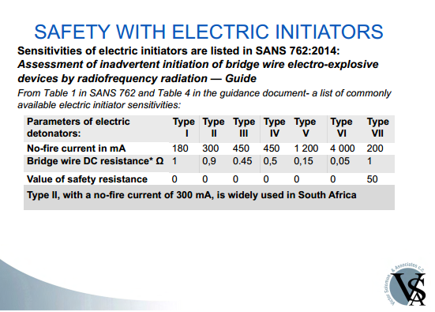
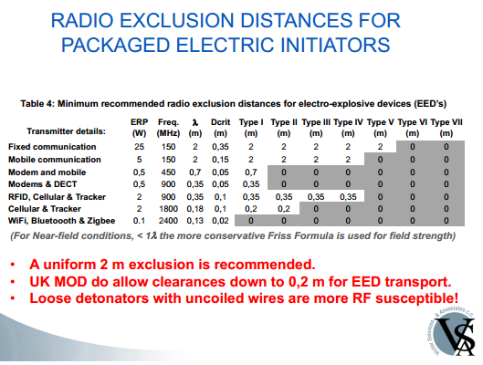
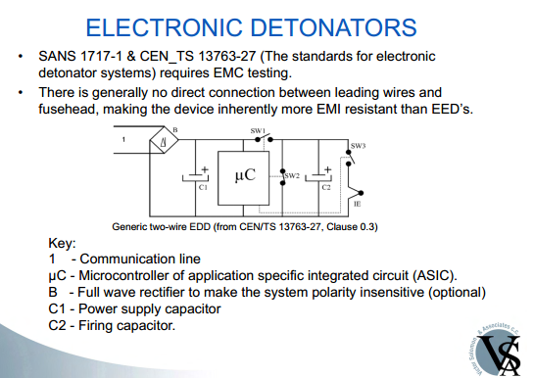
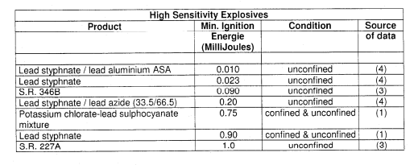
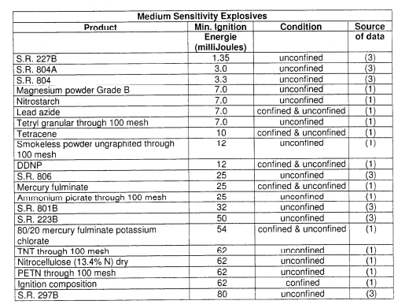
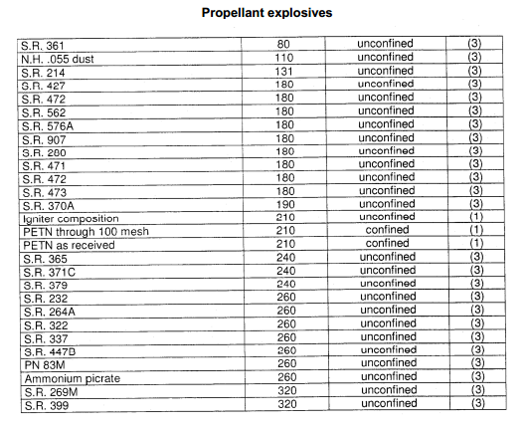
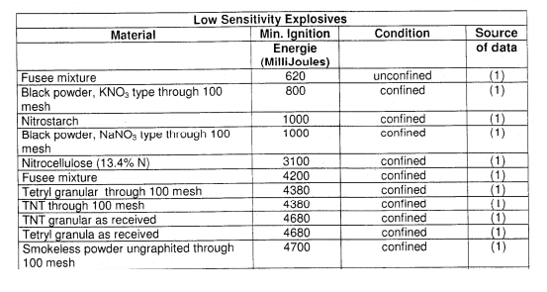
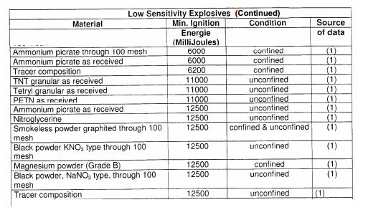
Spec | SANS 1717-1 :2005 | ARP 1717:2017 | SANS 53763-26 EN 13763-26 | CEN/TS 13763-27 4.5.6.4.4.1 | EN 13763-13 ESD | SANS 60079-0 | SANS 6220 | SANS 60529 | SANS 762 | BS6657 | MIL STD 331 | EN 13763-14 Radiated immunity | MIL STD 464
 | EED Safety |  | Shock Tube | Electronic Detonators
SANS 61000-4-3 (80MHz -1GHz) | 30V/m | 30V/m | 10V/m | 30V/m |  |  |  |  |  |  | 50-200V/m |  | Min 70V/m
SANS 61000-4-3 (1GHz - 2GHz) | 10V/m | 10V/m | - | 10V/m
SANS 61000-4-6 (150kHz - 80MHz) | 30V | 30V | 10V | 30V
ESD (C=2.5nF, RD=REUT) | 30kV | 15kV Air 8kV Contact | 15kV Air 8kV Contact
ESD
EN 61000-4-4 |  | 4 kV pwr lines 2 kV signal lines
EN61000-4-5 |  | 4 kV L-L 2kV L-E | 4 kV L-L 2kV L-E (Only mains connected EUT)

Transmitter Data
Exclusion Zone Comparison
 |  |  |  |  |  |  |  |  |  |  |  |  |  |  |  |  |  |  |  |  |  |  |  |  |  |  |  | BlueTooth |  |  |  |  |  |  |  |  |  |  |  |  |  |  |  |  |  |  |  |  | WiFI |  |  |  |  |  |  |  |  |  |  |  |  |  |  |  |  |  |  |  |  |  |  | GSM |  |  |  |  |  |  |  |  |  |  |  |  |  |  |  |  |  |  |  |  |  | Mobile Radio |  |  |  |  |  |  |  |  |  |  |  |  |  |  |  |  |  |  |  |  |  |  | SRD
MAXAM SOURCES |  |  |  |  |  |  |  |  |  |  |  |  |  |  |  |  | AFMAN 91-201 |  |  |  | Type | MAXAM SOURCES |  |  |  |  |  |  |  |  |  |  |  |  |  |  |  |  |  | AFMAN 91-201 |  |  |  | MAXAM SOURCES |  |  |  |  |  |  |  |  |  |  |  |  |  |  |  |  |  | AFMAN 91-201 |  |  |  | MAXAM SOURCES |  |  |  |  |  |  |  |  |  |  |  |  |  |  |  |  |  | AFMAN 91-201 |  |  |  | MAXAM SOURCES |  |  |  |  |  |  |  |  |  |  |  |  |  |  |  |  |  | AFMAN 91-201 |  |  |  | MAXAM SOURCES |  |  |  |  |  |  |  |  |  |  |  |  |  |  |  |  |  | AFMAN 91-201
ID | Model | Frequency (MHz) | Power | Power (Watt) | Antenna gain (dBi) | EIRP (dBm) | EIRP (Watt) | Distance (m) to required fieldstrength (V/m) |  |  |  | TR50426 Distance (m) to required fieldstrength (V/m) (Modulation Factor 1 for worst case) |  |  |  | NASA 8719>12 | Maximum allowable Environment for HERO UNSAFE Ordinance | Safe Seperation Distance for HERO UNSAFE Ordinance | Maximum allowable Environment for HERO SUSCEPTIBLE Ordinance | Safe Seperation Distance for HERO SUSCEPTIBLE Ordinance |  | ID | Model | Frequency (MHz) | Power | Power (Watt) | Antenna gain (dBi) | EIRP (dBm) | EIRP (Watt) | Distance (m) to required fieldstrength (V/m) |  |  |  | Note | TR50426 Distance (m) to required fieldstrength (V/m) (Modulation Factor 1 for worst case) |  |  |  | NASA 8719>12 | Maximum allowable Environment for HERO UNSAFE Ordinance | Safe Seperation Distance for HERO UNSAFE Ordinance | Maximum allowable Environment for HERO SUSCEPTIBLE Ordinance | Safe Seperation Distance for HERO SUSCEPTIBLE Ordinance | ID | Model | Frequency (MHz) | Power | Power (Watt) | Antenna gain (dBi) | EIRP (dBm) | EIRP (Watt) | Distance (m) to required fieldstrength (V/m) |  |  |  | Note | TR50426 Distance (m) to required fieldstrength (V/m) (Modulation Factor 1 for worst case) |  |  |  | NASA 8719>12 | Maximum allowable Environment for HERO UNSAFE Ordinance | Safe Seperation Distance for HERO UNSAFE Ordinance | Maximum allowable Environment for HERO SUSCEPTIBLE Ordinance | Safe Seperation Distance for HERO SUSCEPTIBLE Ordinance | ID | Model | Frequency (MHz) | Power | Power (Watt) | Antenna gain (dBi) | EIRP (dBm) | EIRP (Watt) | Distance (m) to required fieldstrength (V/m) |  |  |  | Note | TR50426 Distance (m) to required fieldstrength (V/m) (Modulation Factor 1 for worst case) |  |  |  | NASA 8719>12 | Maximum allowable Environment for HERO UNSAFE Ordinance | Safe Seperation Distance for HERO UNSAFE Ordinance | Maximum allowable Environment for HERO SUSCEPTIBLE Ordinance | Safe Seperation Distance for HERO SUSCEPTIBLE Ordinance | ID | Model | Frequency (MHz) | Power | Power (Watt) | Antenna gain (dBi) | EIRP (dBm) | EIRP (Watt) | Distance (m) to required fieldstrength (V/m) |  |  |  | Note | TR50426 Distance (m) to required fieldstrength (V/m) (Modulation Factor 1 for worst case) |  |  |  | NASA 8719>12 | Maximum allowable Environment for HERO UNSAFE Ordinance | Safe Seperation Distance for HERO UNSAFE Ordinance | Maximum allowable Environment for HERO SUSCEPTIBLE Ordinance | Safe Seperation Distance for HERO SUSCEPTIBLE Ordinance | ID | Model | Frequency (MHz) | Power | Power (Watt) | Antenna gain (dBi) | EIRP (dBm) | EIRP (Watt) | Distance (m) to required fieldstrength (V/m) |  |  |  | Note | TR50426 Distance (m) to required fieldstrength (V/m) (Modulation Factor 1 for worst case) |  |  |  | NASA 8719>12 | Maximum allowable Environment for HERO UNSAFE Ordinance | Safe Seperation Distance for HERO UNSAFE Ordinance | Maximum allowable Environment for HERO SUSCEPTIBLE Ordinance | Safe Seperation Distance for HERO SUSCEPTIBLE Ordinance | wifi
 |  |  | dBm |  |  |  |  | 30.00 | 10.00 | 3.00 | 1.00 | 30.00 | 10.00 | 3.00 | 1.00 | Distance (m) | EMAE (V/m-rms) | SSD (m) | EMAE (V/m-rms) | SSD (m) |  |  |  |  | dBm |  |  |  |  | 30.00 | 10.00 | 3.00 | 1.00 |  | 30.00 | 10.00 | 3.00 | 1.00 | Distance (m) | EMAE (V/m-rms) | SSD (m) | EMAE (V/m-rms) | SSD (m) |  |  |  | dBm |  |  |  |  | 30.00 | 10.00 | 3.00 | 1.00 |  | 30.00 | 10.00 | 3.00 | 1.00 | Distance (m) | EMAE (V/m-rms) | SSD (m) | EMAE (V/m-rms) | SSD (m) |  |  |  | dBm |  |  |  |  | 30.00 | 10.00 | 3.00 | 1.00 |  | 30.00 | 10.00 | 3.00 | 1.00 | Distance (m) | EMAE (V/m-rms) | SSD (m) | EMAE (V/m-rms) | SSD (m) |  |  |  | dBm |  |  |  |  | 30.00 | 10.00 | 3.00 | 1.00 |  | 30.00 | 10.00 | 3.00 | 1.00 | Distance (m) | EMAE (V/m-rms) | SSD (m) | EMAE (V/m-rms) | SSD (m) |  |  |  | dBm |  |  |  |  | 30.00 | 10.00 | 3.00 | 1.00 |  | 30.00 | 10.00 | 3.00 | 1.00 | Distance (m) | EMAE (V/m-rms) | SSD (m) | EMAE (V/m-rms) | SSD (m)
1 | Camera (Typical) | 5800 | 24 | 0.25 | 25 | 49 | 79.43 | 1.63 | 4.88 | 16.27 | 48.82 | 1.63 | 4.88 | 16.25 | 48.76 | 0.21 | 36 | 1.35 | 145 | 0.34 |  | 6 | BlueTooth 4.0 | 2400 | 20 | 0.1 | 0 | 20 | 0.10 | 0.09 | 0.27 | 0.92 | 2.75 |  | 0.06 | 0.17 | 0.58 | 1.73 | 0.02 | 15 | 0.12 | 60 | 0.03 | 12 | Wireless LAN (802.11ac) | 2400 | 20 | 0.1 | 0 | 20 | 0.10 | 0.09 | 0.27 | 0.92 | 2.75 |  | 0.06 | 0.17 | 0.58 | 1.73 | 0.02 | 15 | 0.12 | 60 | 0.03 | 7 | 4G LTE | 900 | 24 | 0.25 | 0 | 24 | 0.25 | 0.09 | 0.27 | 0.92 | 2.75 |  | 0.09 | 0.27 | 0.91 | 2.74 | 0.08 | 6 | 0.49 | 23 | 0.12 | 16 | VHF Hand held radio | 155 | 30 | 1 | 0 | 30 | 1.00 | 0.09 | 0.27 | 0.92 | 2.75 |  | 0.18 | 0.55 | 1.82 | 5.47 | 0.88 | 1 | 5.65 | 4 | 1.41 | 1 | Camera (Typical) | 5800 | 24 | 0.25 | 25 | 49 | 79.43 | 1.63 | 4.88 | 16.27 | 48.82 | PBE-5AC-Gen2 (Dish) | 1.63 | 4.88 | 16.25 | 48.76 | 0.21 | 36 | 1.35 | 145 | 0.34
2 | Emergency Alarm (SRD) | 433.9 | 10 | 0.01 | 0 | 10 | 0.01 | 0.02 | 0.05 | 0.18 | 0.55 | 0.02 | 0.05 | 0.18 | 0.55 | 0.03 | 3 | 0.20 | 11 | 0.05 |  |  |  |  |  |  |  |  |  |  |  |  |  |  |  |  |  |  |  |  |  |  |  | 13 | Wireless LAN (802.11ac)B | 5800 | 30 | 1 | 0 | 30 | 1.00 | 0.02 | 0.05 | 0.18 | 0.55 |  | 0.18 | 0.55 | 1.82 | 5.47 | 0.02 | 36 | 0.15 | 145 | 0.04 | 8 | Cell phone 900MHz | 900 | 33 | 2 | 0 | 33 | 2.00 | 0.02 | 0.05 | 0.18 | 0.55 |  | 0.26 | 0.77 | 2.58 | 7.74 | 0.21 | 6 | 1.38 | 23 | 0.34 | 17 | UHF1 Hand held radio | 436 | 36 | 4 | 0 | 36 | 4.00 | 0.02 | 0.05 | 0.18 | 0.55 |  | 0.36 | 1.09 | 3.65 | 10.94 | 0.63 | 3 | 4.02 | 11 | 1.00 | 2 | Emergency Alarm (SRD) | 433.9 | 10 | 0.01 | 0 | 10 | 0.01 | 0.02 | 0.05 | 0.18 | 0.55 | PBE-5AC-Gen2 (Dish) | 0.02 | 0.05 | 0.18 | 0.55 | 0.03 | 3 | 0.20 | 11 | 0.05
3 | Automotive Tracking System | 900 | 30 | 1.00 | 0 | 30 | 1.00 | 0.18 | 0.55 | 1.83 | 5.48 | 0.18 | 0.55 | 1.82 | 5.47 | 0.15 | 6 | 0.97 | 23 | 0.24 |  |  |  |  |  |  |  |  |  |  |  |  |  |  |  |  |  |  |  |  |  |  |  | 14 | Wireless LAN (802.11ac) with external antenna | 2400 | 20 | 0.1 | 6.9 | 27 | 0.49 | 0.40 | 1.21 | 4.04 | 12.12 |  | 0.13 | 0.38 | 1.28 | 3.83 | 0.04 | 15 | 0.26 | 60 | 0.06 | 9 | Cell Phone 1800MHz | 1800 | 30 | 1 | 0 | 30 | 1.00 | 0.18 | 0.55 | 1.83 | 5.48 |  | 0.18 | 0.55 | 1.82 | 5.47 | 0.08 | 11 | 0.49 | 45 | 0.12 | 18 | UHF2 Handheld Radio | 481 | 36 | 4 | 0 | 36 | 4.00 | 0.18 | 0.55 | 1.83 | 5.48 |  | 0.36 | 1.09 | 3.65 | 10.94 | 0.57 | 3 | 3.64 | 12 | 0.91 | 3 | Automotive Tracking System | 900 | 30 | 1.00 | 0 | 30 | 1.00 | 0.18 | 0.55 | 1.83 | 5.48 | PBE-5AC-Gen2 (Dish) | 0.18 | 0.55 | 1.82 | 5.47 | 0.15 | 6 | 0.97 | 23 | 0.24
4 | Automotive Tracking System | 1800 | 33 | 2.00 | 0 | 33 | 2.00 | 0.26 | 0.77 | 2.58 | 7.74 | 0.26 | 0.77 | 2.58 | 7.73 | 0.11 | 11 | 0.69 | 45 | 0.17 |  |  |  |  |  |  |  |  |  |  |  |  |  |  |  |  |  |  |  |  |  |  |  | 15 | Wireless LAN (802.11ac) with external antenna(b) | 5800 | 30 | 1 | 8.8 | 39 | 7.59 | 0.71 | 2.13 | 7.10 | 21.31 |  | 0.50 | 1.51 | 5.02 | 15.07 | 0.06 | 36 | 0.42 | 145 | 0.10 | 10 | Cellphone 2100MHz | 2100 | 24 | 0.25 | 0 | 24 | 0.25 | 0.26 | 0.77 | 2.58 | 7.74 |  | 0.09 | 0.27 | 0.91 | 2.74 | 0.03 | 13 | 0.21 | 53 | 0.05 | 19 | VHF Handheld Radio (High power setting) | 155 | 37 | 5 | 0 | 37 | 5.00 | 0.26 | 0.77 | 2.58 | 7.74 |  | 0.41 | 1.22 | 4.08 | 12.23 | 1.97 | 1 | 12.64 | 4 | 3.16 | 4 | Automotive Tracking System | 1800 | 33 | 2.00 | 0 | 33 | 2.00 | 0.26 | 0.77 | 2.58 | 7.74 | PBE-5AC-Gen2 (Dish) | 0.26 | 0.77 | 2.58 | 7.73 | 0.11 | 11 | 0.69 | 45 | 0.17
5 | Track and Trace Dolphin CT60 | 13.5 | -84 | 0.00 | 0 | -84 | 0.00 | 0.00 | 0.00 | 0.00 | 0.00 | 0.00 | 0.00 | 0.00 | 0.00 | 0.00 | 1 | 0.00 | 2 | 0.00 |  |  |  |  |  |  |  |  |  |  |  |  |  |  |  |  |  |  |  |  |  |  |  |  |  |  |  |  |  |  |  |  |  |  |  |  |  |  |  |  |  |  |  |  |  | 11 | Telkom LTE 2300MHz | 2300 | 24 | 0.25 | 0 | 24 | 0.25 | 0.00 | 0.00 | 0.00 | 0.00 |  | 0.09 | 0.27 | 0.91 | 2.74 | 0.03 | 14 | 0.19 | 58 | 0.05 | 20 | Generic vehicle base station (VHF) | 155 | 47 | 45 | 0 | 47 | 45.00 | 0.00 | 0.00 | 0.00 | 0.00 |  | 1.22 | 3.67 | 12.23 | 36.70 | 5.90 | 1 | 37.91 | 4 | 9.48 | 23 | Mobex T3 | 2400 | 20 | 0.1 | 0 | 20 | 0.1 | 0.00 | 0.00 | 0.00 | 0.00 |  | 0.06 | 0.17 | 0.58 | 1.73 | 0.02 | 15 | 0.12 | 60 | 0.03
6 | BlueTooth 4.0 | 2400 | 20 | 0.1 | 0 | 20 | 0.10 | 0.06 | 0.17 | 0.58 | 1.73 | 0.06 | 0.17 | 0.58 | 1.73 | 0.02 | 15 | 0.12 | 60 | 0.03 |  |  |  |  |  |  |  |  |  |  |  |  |  |  |  |  |  |  |  |  |  |  |  |  |  |  |  |  |  |  |  |  |  |  |  |  |  |  |  |  |  |  |  |  |  |  |  |  |  |  |  |  |  |  |  |  |  |  |  |  |  |  |  |  |  |  |  | 21 | Generic vehicle base station (UHF1) | 436 | 46 | 40 | 0 | 46 | 40.00 | 0.06 | 0.17 | 0.58 | 1.73 |  | 1.15 | 3.46 | 11.53 | 34.60 | 1.98 | 3 | 12.71 | 11 | 3.18 | 24 | Mobex T3m | 1960 | 24 | 0.25 | 0 | 23.979400087 | 0.25 | 0.06 | 0.17 | 0.58 | 1.73 |  | 0.09 | 0.27 | 0.91 | 2.74 | 0.03 | 12 | 0.22 | 49 | 0.06
7 | 4G LTE | 900 | 24 | 0.25 | 0 | 24 | 0.25 | 0.09 | 0.27 | 0.91 | 2.74 | 0.09 | 0.27 | 0.91 | 2.74 | 0.08 | 6 | 0.49 | 23 | 0.12 |  |  |  |  |  |  |  |  |  |  |  |  |  |  |  |  |  |  |  |  |  |  |  |  |  |  |  |  |  |  |  |  |  |  |  |  |  |  |  |  |  |  |  |  |  |  |  |  |  |  |  |  |  |  |  |  |  |  |  |  |  |  |  |  |  |  |  | 22 | Generic vehicle base station (UHF2) | 481 | 46 | 40 | 0 | 46 | 40.00 | 0.09 | 0.27 | 0.91 | 2.74 |  | 1.15 | 3.46 | 11.53 | 34.60 | 1.79 | 3 | 11.52 | 12 | 2.88
8 | Cell phone 900MHz | 900 | 33 | 2 | 0 | 33 | 2.00 | 0.26 | 0.77 | 2.58 | 7.75 | 0.26 | 0.77 | 2.58 | 7.74 | 0.21 | 6 | 1.38 | 23 | 0.34
9 | Cell Phone 1800MHz | 1800 | 30 | 1 | 0 | 30 | 1.00 | 0.18 | 0.55 | 1.83 | 5.48 | 0.18 | 0.55 | 1.82 | 5.47 | 0.08 | 11 | 0.49 | 45 | 0.12
10 | Cellphone 2100MHz | 2100 | 24 | 0.25 | 0 | 24 | 0.25 | 0.09 | 0.27 | 0.91 | 2.74 | 0.09 | 0.27 | 0.91 | 2.74 | 0.03 | 13 | 0.21 | 53 | 0.05
11 | Telkom LTE 2300MHz | 2300 | 24 | 0.25 | 0 | 24 | 0.25 | 0.09 | 0.27 | 0.91 | 2.74 | 0.09 | 0.27 | 0.91 | 2.74 | 0.03 | 14 | 0.19 | 58 | 0.05
12 | Wireless LAN (802.11ac) | 2400 | 20 | 0.1 | 0 | 20 | 0.10 | 0.06 | 0.17 | 0.58 | 1.73 | 0.06 | 0.17 | 0.58 | 1.73 | 0.02 | 15 | 0.12 | 60 | 0.03
13 | Wireless LAN (802.11ac)b | 5800 | 30 | 1 | 0 | 30 | 1.00 | 0.18 | 0.55 | 1.83 | 5.48 | 0.18 | 0.55 | 1.82 | 5.47 | 0.02 | 36 | 0.15 | 145 | 0.04
14 | Wireless LAN (802.11ac) with external antenna | 2400 | 20 | 0.1 | 6.9 | 27 | 0.49 | 0.13 | 0.38 | 1.28 | 3.83 | 0.13 | 0.38 | 1.28 | 3.83 | 0.04 | 15 | 0.26 | 60 | 0.06
15 | Wireless LAN (802.11ac) with external antenna(b) | 5800 | 30 | 1 | 8.8 | 39 | 7.59 | 0.50 | 1.51 | 5.03 | 15.09 | 0.50 | 1.51 | 5.02 | 15.07 | 0.06 | 36 | 0.42 | 145 | 0.10
16 | VHF Hand held radio | 155 | 30 | 1 | 0 | 30 | 1.00 | 0.18 | 0.55 | 1.83 | 5.48 | 0.18 | 0.55 | 1.82 | 5.47 | 0.88 | 1 | 5.65 | 4 | 1.41
17 | UHF1 Hand held radio | 436 | 36 | 4 | 0 | 36 | 4.00 | 0.37 | 1.10 | 3.65 | 10.95 | 0.36 | 1.09 | 3.65 | 10.94 | 0.63 | 3 | 4.02 | 11 | 1.00
18 | UHF2 Handheld Radio | 481 | 36 | 4 | 0 | 36 | 4.00 | 0.37 | 1.10 | 3.65 | 10.95 | 0.36 | 1.09 | 3.65 | 10.94 | 0.57 | 3 | 3.64 | 12 | 0.91
19 | VHF Handheld Radio (High power setting) | 155 | 37 | 5 | 0 | 37 | 5.00 | 0.41 | 1.22 | 4.08 | 12.25 | 0.41 | 1.22 | 4.08 | 12.23 | 1.97 | 1 | 12.64 | 4 | 3.16
20 | Generic vehicle base station (VHF) | 155 | 47 | 45 | 0 | 47 | 45.00 | 1.22 | 3.67 | 12.25 | 36.74 | 1.22 | 3.67 | 12.23 | 36.70 | 5.90 | 1 | 37.91 | 4 | 9.48
21 | Generic vehicle base station (UHF1) | 436 | 46 | 40 | 0 | 46 | 40.00 | 1.15 | 3.46 | 11.55 | 34.64 | 1.15 | 3.46 | 11.53 | 34.60 | 1.98 | 3 | 12.71 | 11 | 3.18
22 | Generic vehicle base station (UHF2) | 481 | 46 | 40 | 0 | 46 | 40.00 | 1.15 | 3.46 | 11.55 | 34.64 | 1.15 | 3.46 | 11.53 | 34.60 | 1.79 | 3 | 11.52 | 12 | 2.88
23 | Mobex T3 | 2400 | 20 | 0.1 | 0 | 20 | 0.1 | 0.06 | 0.17 | 0.58 | 1.73 | 0.06 | 0.17 | 0.58 | 1.73 | 0.02 | 15 | 0.12 | 60 | 0.03
24 | Mobex T3m | 1960 | 24 | 0.25 | 0 | 23.979400087 | 0.25 | 0.09 | 0.27 | 0.91 | 2.74 | 0.09 | 0.27 | 0.91 | 2.74 | 0.03 | 12 | 0.22 | 49 | 0.06

 |  |  |  |  |  |  |  |  |  |  |  | SGM
 |  |  |  |  |  |  |  |  |  |  |  | Bluetooth
 |  |  |  |  |  |  |  |  |  |  |  | MobileRadio
 |  |  |  |  |  |  |  |  |  |  |  | WiFI
 |  |  |  |  |  |  |  |  |  |  |  | SRD

Exclusion Zone Comparison

Exclusion Zone Comparison

Exclusion Zone Comparison

Exclusion Zone Comparison

